Sheet1
Churn by marital status
KPIs
Total_Customer
16,737
 |  |  |  |  | Enrolment year | Count of CLV | Province | Count of CLV
Total_revenue_2018 |  |  |  |  | 2012 | 1686 | Alberta | 969
$3,010 |  |  |  |  | 2013 | 2397 | British Columbia | 4409
 |  |  |  |  | 2014 | 2370 | Manitoba | 658
Total_revenue_2017 |  |  |  |  | 2015 | 2331 | New Brunswick | 636
$2,487 |  |  |  |  | 2016 | 2456 | Newfoundland | 258
 |  |  |  |  | 2017 | 2487 | Nova Scotia | 518
Growth % |  |  |  |  | 2018 | 3010 | Ontario | 5404
21.0% |  |  |  |  | Grand Total | 16737 | Prince Edward Island | 66
 |  |  |  |  |  |  | Quebec | 3300
Average_clv |  |  |  |  |  |  | Saskatchewan | 409
7,988.90 |  |  | Enrolment year | Churn_Rate_by_year |  |  | Yukon | 110
 |  |  | 2013 | 15.1% |  |  |  |  |  |  |  |  |  |  | Row Labels | Churn_Rate_by_year
Active_Customers |  |  | 2014 | 16.3% |  |  |  |  |  |  |  |  |  |  | Divorced | 11.6%
14,670 |  |  | 2015 | 17.3% |  |  |  |  |  |  |  |  |  |  | Married | 12.5%
 |  |  | 2016 | 15.9% |  |  |  |  |  |  |  | Gender | Churn_Rate_by_year |  | Single | 12.5%
Cancelled_Customers |  |  | 2017 | 14.7% |  |  |  |  |  |  |  | Female | 12.5%
2,067 |  |  | 2018 | 5.3% |  |  |  |  |  |  |  | Male | 12.2%
 |  |  | Grand Total | 12.3%
Churn_Rate_by_year
Churn rate by gender
12.3%
Churn Rate Over Time
 |  |  |  |  |  |  |  |  |  |  |  |  |  |  |  |  | Row Labels | Count of Loyalty Number
 |  |  |  |  |  |  |  |  |  |  |  |  |  |  |  |  | Bachelor | 10475
 |  |  |  |  |  |  |  |  |  |  |  |  |  |  |  |  | College | 4238
Row Labels | Count of Loyalty Number |  |  |  |  |  |  |  |  |  |  |  |  |  |  |  | Doctor | 734
Female | 8410 |  |  |  |  |  |  |  |  |  |  |  |  |  |  |  | High School or Below | 782
Male | 8327 |  |  |  |  |  |  |  |  |  |  |  |  |  |  |  | Master | 508

Churn Rate by Marital Status

 | Active_Customers | Cancelled_Customers
2012 | 1,686
2013 | 2,035 | 362
2014 | 1,983 | 387
2015 | 1,927 | 404
2016 | 2,066 | 390
2017 | 2,122 | 365
2018 | 2,851 | 159

Customer count by gender

 |  |  |  |  |  |  |  |  |  |  |  |  | Row Labels | Churn_Rate_by_year
 |  |  |  |  |  |  |  |  | Row Labels | Active_Customers | Cancelled_Customers |  | Divorced | 11.6%
 |  |  |  |  |  |  |  |  | 2012 | 1,686 |  |  | Married | 12.5%
 |  |  |  |  |  |  |  |  | 2013 | 2,035 | 362 |  | Single | 12.5%
 |  |  |  |  |  |  |  |  | 2014 | 1,983 | 387
 |  |  |  |  |  |  |  |  | 2015 | 1,927 | 404
 | Row Labels | Count of Loyalty Number |  |  |  |  |  |  | 2016 | 2,066 | 390
 | Aurora | 3429 |  |  |  |  |  |  | 2017 | 2,122 | 365
 | Nova | 5671 |  |  |  |  |  |  | 2018 | 2,851 | 159
 | Star | 7637 |  |  |  |  |  |  | Grand Total | 14,670 | 2,067

Cancelled and Active Customers Overtime
 | Active_Customers | Cancelled_Customers
2012 | 1,686
2013 | 2,035 | 362
2014 | 1,983 | 387
2015 | 1,927 | 404
2016 | 2,066 | 390
2017 | 2,122 | 365
2018 | 2,851 | 159
Customer distribution by loyalty card tier

Cancelled and Active Customers Overtime
 | Active_Customers | Cancelled_Customers
2012 | 1,686
2013 | 2,035 | 362
2014 | 1,983 | 387
2015 | 1,927 | 404
2016 | 2,066 | 390
2017 | 2,122 | 365
2018 | 2,851 | 159

Dashboard
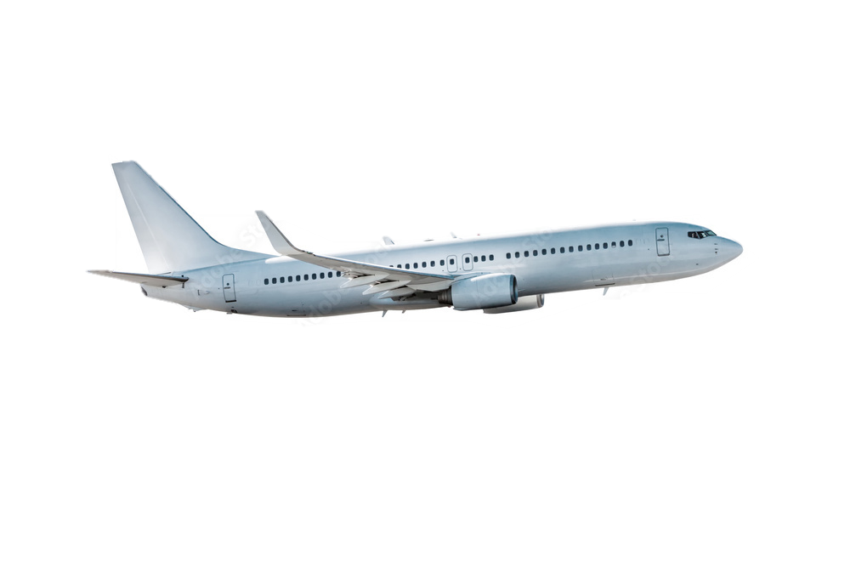

Customer Insights and Churn Dashboard(2012-2018)

16,737
Total Customers
$3,010
Revenue for 2018

Customer Count by Gender
 | Total
Female | 8410
Male | 8327
$2,487
Revenue for 2017
21.0%
Revenue Growth
Active and Cancelled Customers Overtime
 | Active_Customers | Cancelled_Customers
2012 | 1,686
2013 | 2,035 | 362
2014 | 1,983 | 387
2015 | 1,927 | 404
2016 | 2,066 | 390
2017 | 2,122 | 365
2018 | 2,851 | 159
Churn Rate by Marital Status
 | Total
Divorced | 11.6%
Married | 12.5%
Single | 12.5%

14,670
Active Customers
2,067
Cancelled Customers

Customer distribution by loyalty card tier
 | Total
Aurora | 3429
Nova | 5671
Star | 7637
Churn Rate Over Time
 | Total
2013 | 15.1%
2014 | 16.3%
2015 | 17.3%
2016 | 15.9%
2017 | 14.7%
2018 | 5.3%
Customers by Education Level
 | Total
Bachelor | 10475
College | 4238
Doctor | 734
High School or Below | 782
Master | 508

